Instruction
Result view
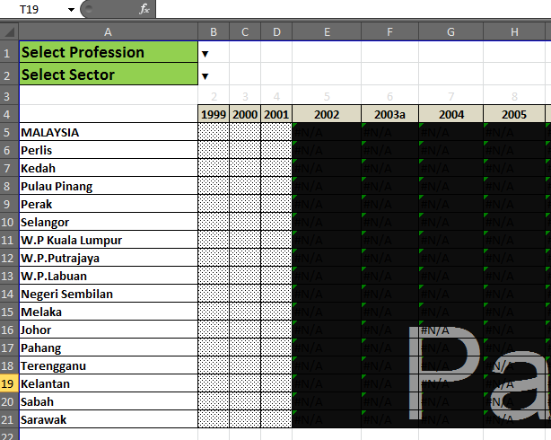
STEP 1 : Go to Tab > Ratio (1 to Population)

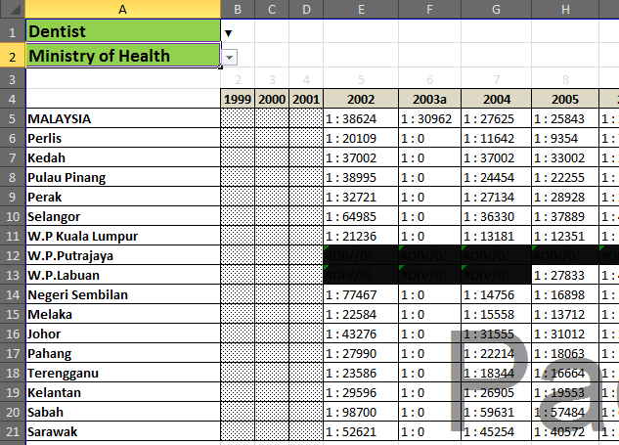

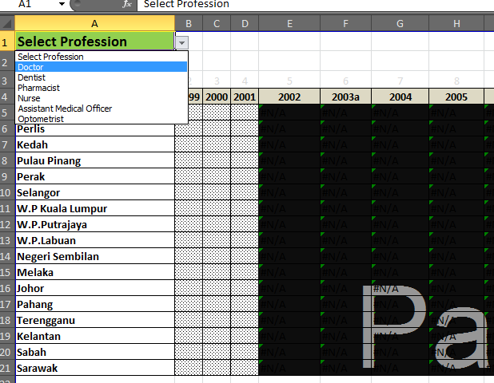
STEP 2 : Select a "Profession " from the in-box drop down list

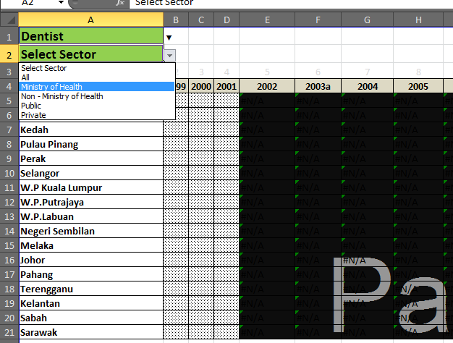
STEP 3 : Select a "Sector" from the in-box drop down list

For futher inquiries, please contact : Unit Sumber Manusia untuk Kesihatan, Seksyen Perancangan Dasar & Pelan Kesihatan, Bahagian Perancangan, Ibu Pejabat Kementerian Kesihatan Malaysia.

email : smuk@moh.gov.my

